pivot table
Average of Income | Purchased Bike
Gender | No | Yes | Grand Total
Female | 53449.61 | 55267.49 | 54331.34
Male | 56520.15 | 59603.17 | 58000.00
Grand Total | 55028.25 | 57474.75 | 56208.58

Count of Purchased Bike | Purchased Bike
Distance Fixed | No | Yes | Grand Total
0-1 | 171 | 207 | 378
1-2 | 93 | 83 | 176
2-5 | 67 | 95 | 162
5-10 | 120 | 77 | 197
10 | 80 | 33 | 113
Grand Total | 531 | 495 | 1026

Count of Purchased Bike | Purchased Bike
Age-Fixed | No | Yes | Grand Total
young | 48 | 37 | 85
Old | 183 | 126 | 309
Adults | 300 | 332 | 632
Grand Total | 531 | 495 | 1026

dashboard
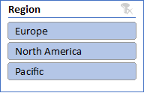
Bike Sales Dashboard

 | No | Yes
Female | 53449.61 | 55267.49
Male | 56520.15 | 59603.17
 | No | Yes
young | 48 | 37
Old | 183 | 126
Adults | 300 | 332




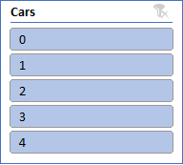
 | No | Yes
0-1 | 171 | 207
1-2 | 93 | 83
2-5 | 67 | 95
5-10 | 120 | 77
10 | 80 | 33

